Graphs
Average Homeless Among Different Categories
Average Homeless Among Different Categories
 | 2018 | 2019 | Total
Sheltered Homeless | 7021.22 | 6993.22 | 14014.44
Unsheltered Homeless | 3785.98 | 4120.04 | 7906.02
Homeless Individuals | 7294.9 | 7776.68 | 15071.58
Homeless People in Families | 3512.3 | 3336.58 | 6848.88
Total | 21614.4 | 22226.52 | 43840.92

Proportions of Sheltered vs Unsheltered Homless
Proportions of Homeless individuals vs in families

Total Homeless People in California
Homeless in California
 | 2015 | 2016 | 2017 | 2018 | 2019
Homeless Individuals | 93156 | 97660 | 110260 | 109008 | 128777
Homeless in Families | 22582 | 20482 | 21272 | 20964 | 22501
Sheltered Homeless | 42039 | 39752 | 42636 | 40429 | 42846
Unsheltered Homeless | 73699 | 78390 | 88896 | 89543 | 108432
Total Homeless | 115738 | 118142 | 131532 | 129972 | 151278

Average Homeless Among Different Categories
 | 2018 | 2019 | Total
Sheltered Homeless | 16% | 16% | 32%
Unsheltered Homeless | 9% | 9% | 18%
Homeless Individuals | 17% | 18% | 34%
Homeless People in Families | 8% | 8% | 16%
Total | 49% | 51% | 100%

2018 Relative Frequency Histogram
2018 Average Homeless Among Different Categories
Bin | Upper Limit | Frequency | Relative Frequency
1 | 5000 | 150 | 0.75000
2 | 10000 | 30 | 0.15000
3 | 15000 | 8 | 0.04000
4 | 20000 | 4 | 0.02000
5 | 25000 | 2 | 0.01000
6 | 30000 | 0 | 0.00000
7 | 35000 | 0 | 0.00000
8 | 40000 | 1 | 0.00500
9 | 45000 | 1 | 0.00500
10 | 50000 | 0 | 0.00000
11 | 55000 | 1 | 0.00500
12 | 60000 | 0 | 0.00000
13 | 65000 | 0 | 0.00000
14 | 70000 | 0 | 0.00000
15 | 75000 | 0 | 0.00000
16 | 80000 | 0 | 0.00000
17 | 85000 | 0 | 0.00000
18 | 90000 | 2 | 0.01000
19 | 95000 | 0 | 0.00000
20 | 100000 | 0 | 0.00000
21 | 105000 | 0 | 0.00000
22 | 110000 | 1 | 0.00500
 |  | 200 | 1.00000

2019 Relative Frequency Histogram
2019 Average Homeless Among Different Categories
Bin | Upper Limit | Frequency | Relative Frequency
1 | 5000 | 152 | 0.76000
2 | 10000 | 28 | 0.14000
3 | 15000 | 8 | 0.04000
4 | 20000 | 4 | 0.02000
5 | 25000 | 2 | 0.01000
6 | 30000 | 0 | 0.00000
7 | 35000 | 0 | 0.00000
8 | 40000 | 0 | 0.00000
9 | 45000 | 2 | 0.01000
10 | 50000 | 1 | 0.00500
11 | 55000 | 0 | 0.00000
12 | 60000 | 0 | 0.00000
13 | 65000 | 0 | 0.00000
14 | 70000 | 0 | 0.00000
15 | 75000 | 0 | 0.00000
16 | 80000 | 0 | 0.00000
17 | 85000 | 0 | 0.00000
18 | 90000 | 1 | 0.00500
19 | 95000 | 0 | 0.00000
20 | 100000 | 0 | 0.00000
21 | 105000 | 0 | 0.00000
22 | 110000 | 1 | 0.00500
23 | 115000 | 0 | 0.00000
24 | 120000 | 0 | 0.00000
25 | 125000 | 0 | 0.00000
26 | 130000 | 1 | 0.00500
 |  | 200 | 1.00000

Part 3
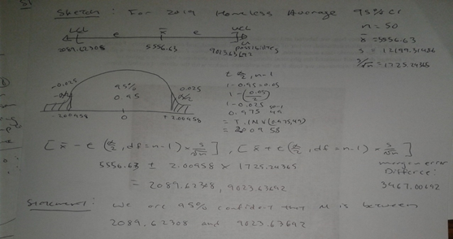
1. Confidence intervals of population means (μ) (2 CI’s for 2 main variables)
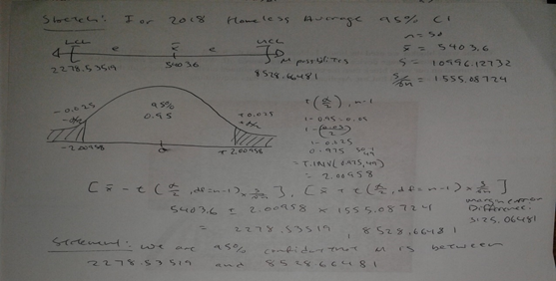

2. Hypothesis tests on means: one‐tail or two‐tail (2 tests on 2 main variables)
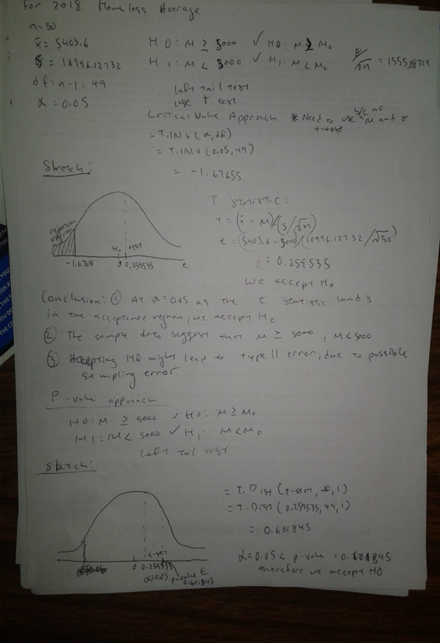
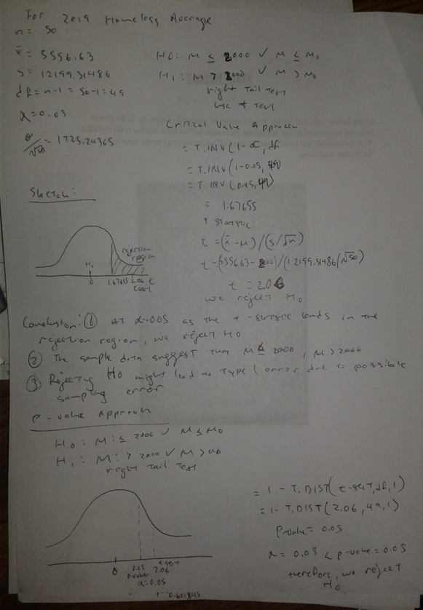

3. Hypothesis tests for mean comparison: one‐tail or two‐tail (1 test on 2 main variables)
Between 2018 & 2019, which year had a higher population mean of individual homeless?
Unequal Variances t-Test for Mean Comparison

Two Samples & Statistics |  |  | Test statistic for mean difference (μ₁ - μ₂)
n1 | 50 |  | Term 1 | 151008516466291.78000
n2 | 50 |  | Term 2 | 554779519632.47600
s1 | 16145.96948 |  | Term 3 | 1021458366217.45470
s2 | 18807.85161 |  | Complex degrees of freedom (df***) | 95.80313
x1b | 7294.90 |  | Point estimate of mean difference | -481.78000
x2b | 7776.68 |  | Hypothesized mean difference | 0.00000
mu1(0) | 0.0 |  | Standard error of sample mean difference | 3505.50314
mu2(0) | 0.0 |  | t-statistic | -0.13744
 |  |  | t* = t.inv(1-0.05, 95.80313) | 1.66105
 |  |  | p = 1 - t.dist(t, df***, 1) | 0.55451
4. Hypothesis tests for variance comparison: right‐tail or two‐tail (1 test on 2 main variables)
Is the variance between the populations of homeless individuals different comparing 2018 and 2019?
0.05 | a
50 | n1
50 | n2
1.7621885352 | f* critical value
260692330.44909 | S_1^2
353735282.18378 | S_2^2
1.35691 | f statistic value
5. Chi‐square tests on goodness of fit: normality test (1 test on 1 main variable)
Chi-Square Tests on Goodness of Fit
2018 Income
n | 50
Minimum | 43567
Maximum | 81868
Range | 38301
Cell Length | 5764.768932
Number of Cells | 6.643978354 | 7
Corrected Cell Length | 5471.571429
Mean | 60181
Standard Deviation | 9906.468948
 | Cell Start | Cell End | Probability | Expected Frequency | Observed Frequency | Chi-Square
1st Cell | 43567 | 49038.57143 | 0.083581927 | 4.179096333 | 7 | 1.904119183
2nd Cell | 49038.57143 | 54510.14286 | 0.153167265 | 7.658363231 | 9 | 0.23503576
3rd Cell | 54510.14286 | 59981.71429 | 0.208463101 | 10.42315505 | 14 | 1.227442148
4th Cell | 59981.71429 | 65453.28571 | 0.210733329 | 10.53666647 | 6 | 1.95330684
5th Cell | 65453.28571 | 70924.85714 | 0.158226479 | 7.911323964 | 5 | 1.071351301
6th Cell | 70924.85714 | 76396.42857 | 0.088234417 | 4.411720846 | 4 | 0.038423568
7th Cell | 76396.42857 | 81868 | 0.036538605 | 1.826930263 | 5 | 5.511086964
Sum |  |  | 0.938945123 | 46.94725616 | 50 | 11.94076576
Degrees of Freedom | 6
P-Value | 0.063303368
0.05<0.06
6. Chi‐square confidence interval of and test on population variance
95% Confidence Level
n | 50
Sample Variance | 9813827
Upper Limit | 70.222413566
Lower Limit | 31.554916463

Part 4
1. Correlation coefficients between the main variables and other variables presented in a |  |  |  |  |  |  |  |  |  |  |  |  |  | Standardized data
summary table with the following format: |  |  |  |  |  |  |  |  |  |  |  |  |  | Z(x-2018) Homeless | Z(y-2018) State Population | Z(x-2019) Homeless | Z(y-19) State Population | Income
 | Sample 1 2018 |  | Sample 2 2019 |  |  |  |  |  |  |  |  |  |  | -0.33526 | -0.22266 | -0.32183 | -0.22296 | -1.18054
 | State Population | Income | State Population | Income |  |  |  |  |  |  |  |  |  | -0.39974 | -0.78566 | -0.37733 | -0.78751 | 1.66901
Homeless | 0.82713 | 0.21603 | 0.81999 | 0.20746 |  |  |  |  |  |  |  |  |  | -0.04284 | 0.08713 | -0.04534 | 0.09853 | -0.40055
 | 2018 x bar | 2018 std | 2019 x bar | 2019 std |  |  |  |  |  |  |  |  |  | -0.36809 | -0.47687 | -0.34413 | -0.47811 | -1.45915
Homeless | 5403.60000 | 10996.12732 | 5556.63000 | 12199.31486 |  |  |  |  |  |  |  |  |  | 5.41849 | 4.48020 | 5.74478 | 4.46072 | 1.11513
State Population | 6529299.58000 | 7371929.86995 | 6550675.48000 | 7389281.84983 |  |  |  |  |  |  |  |  |  | 0.00226 | -0.11310 | -0.06124 | -0.10717 | 0.87115
Income | 60181.00000 | 9906.46895 | 60181.00000 | 9906.46895 |  |  |  |  |  |  |  |  |  | -0.31062 | -0.40107 | -0.33118 | -0.40402 | 1.60754
2. Scatter diagrams of the main variable on another variable (2 diagrams with standardized data) |  |  |  |  |  |  |  |  |  |  |  |  |  | -0.44221 | -0.75450 | -0.41774 | -0.75473 | 0.54974
Z-score (y-2018) Transformed Scatter Chart
Z-score (y-2019) Transformed Scatter Chart
 |  |  |  |  |  |  |  |  |  |  |  |  |  | 0.91954 | 2.00355 | 0.70556 | 2.02010 | -0.69793
 |  |  |  |  |  |  |  |  |  |  |  |  |  | -0.05948 | 0.54127 | -0.02747 | 0.55036 | -0.45445
 |  |  |  |  |  |  |  |  |  |  |  |  |  | -0.19449 | -0.69301 | -0.19269 | -0.69490 | 1.80720
 |  |  |  |  |  |  |  |  |  |  |  |  |  | -0.39992 | -0.64774 | -0.36060 | -0.64466 | -0.71590
 |  |  |  |  |  |  |  |  |  |  |  |  |  | -0.00747 | 0.84263 | -0.03747 | 0.82838 | 0.34260
 |  |  |  |  |  |  |  |  |  |  |  |  |  | -0.25233 | 0.02205 | -0.23125 | 0.02457 | -0.59113
 |  |  |  |  |  |  |  |  |  |  |  |  |  | -0.36641 | -0.45757 | -0.36060 | -0.45953 | -0.16161
 |  |  |  |  |  |  |  |  |  |  |  |  |  | -0.39742 | -0.49075 | -0.36208 | -0.49225 | -0.27850
 |  |  |  |  |  |  |  |  |  |  |  |  |  | -0.32371 | -0.27956 | -0.28831 | -0.28190 | -1.19003
 |  |  |  |  |  |  |  |  |  |  |  |  |  | -0.35231 | -0.25357 | -0.33495 | -0.25738 | -1.23546
 |  |  |  |  |  |  |  |  |  |  |  |  |  | -0.37701 | -0.70414 | -0.36917 | -0.70460 | -0.48009
 |  |  |  |  |  |  |  |  |  |  |  |  |  | -0.16657 | -0.06600 | -0.18658 | -0.06834 | 2.18918
 |  |  |  |  |  |  |  |  |  |  |  |  |  | 0.42109 | 0.05058 | 0.30156 | 0.04626 | 1.73594
 |  |  |  |  |  |  |  |  |  |  |  |  |  | -0.11168 | 0.47025 | -0.10403 | 0.46502 | -0.52925
 |  |  |  |  |  |  |  |  |  |  |  |  |  | -0.16207 | -0.12454 | -0.12854 | -0.12329 | 0.83077
 |  |  |  |  |  |  |  |  |  |  |  |  |  | -0.42993 | -0.48058 | -0.40696 | -0.48374 | -1.67709
 |  |  |  |  |  |  |  |  |  |  |  |  |  | -0.21713 | -0.05465 | -0.19805 | -0.05593 | -0.66835
3. Simple linear regressions (SLR): ignore SLR if MLR can be done because SLR is a special case of |  |  |  |  |  |  |  |  |  |  |  |  |  | -0.42752 | -0.74160 | -0.39987 | -0.74187 | -0.76940
MLR; write the results in the 3‐line format (discussed in class); discuss the coefficient of |  |  |  |  |  |  |  |  |  |  |  |  |  | -0.38133 | -0.62399 | -0.35856 | -0.62472 | -0.10751
determination (r²) and significance of the slope; interpret your results. |  |  |  |  |  |  |  |  |  |  |  |  |  | -0.14838 | -0.47408 | -0.16166 | -0.46967 | -0.26074
MLR can be done |  |  |  |  |  |  |  |  |  |  |  |  |  | -0.42548 | -0.70169 | -0.39827 | -0.70250 | 1.40070
4. Multiple linear regressions (MLR): if data permit; write the results in the 3‐line format; discuss the overall significance & significance of individual coefficients; interpret your results. |  |  |  |  |  |  |  |  |  |  |  |  |  | -0.06408 | 0.32274 | -0.09227 | 0.31553 | 1.93631
2018 and 2019 |  |  |  |  | 2018 and 2019 |  |  |  |  |  |  |  |  | -0.37541 | -0.60145 | -0.32265 | -0.60274 | -1.22364
Observation | Homeless (Y) | State Population (X1) | Income (X2) | Dummy for the second Sample (D) | SUMMARY OUTPUT |  |  |  |  |  |  |  |  | 3.68720 | 1.76520 | 3.31895 | 1.74616 | 0.51905
1 | 1717 | 4887871 | $48,486 | 1 |  |  |  |  |  |  |  |  |  | -0.06999 | 0.52284 | -0.07374 | 0.53285 | -0.78413
2 | 1008 | 737438 | $76,715 | 0 | Regression Statistics |  |  |  |  |  |  |  |  | -0.46676 | -0.78259 | -0.43266 | -0.78338 | 0.33231
3 | 4933 | 7171646 | $56,213 | 1 | Multiple R | 0.83869 |  |  |  |  |  |  |  | -0.02538 | 0.69997 | -0.03149 | 0.69539 | -0.57013
4 | 1356 | 3013825 | $45,726 | 1 | R Square | 0.70339 |  |  |  |  |  |  |  | -0.31539 | -0.35082 | -0.29384 | -0.35101 | -0.88397
5 | 64986 | 39557045 | $71,228 | 0 | Adjusted R Square | 0.69413 |  |  |  |  |  |  |  | 0.16682 | -0.31723 | 0.19521 | -0.31572 | -0.07954
6 | 5429 | 5695564 | $68,811 | 1 | Standard Error | 6390.46676 |  |  |  |  |  |  |  | 0.12299 | 0.85158 | 0.08549 | 0.84600 | -0.07429
7 | 1988 | 3572665 | $76,106 | 1 | Observations | 100.00000 |  |  |  |  |  |  |  | -0.44135 | -0.74227 | -0.41225 | -0.74315 | 0.31444
8 | 541 | 967171 | $65,627 | 0 |  |  |  |  |  |  |  |  |  | -0.31257 | -0.19604 | -0.28449 | -0.18973 | -0.92525
9 | 15515 | 21299325 | $53,267 | 1 | ANOVA |  |  |  |  |  |  |  |  | -0.43871 | -0.76602 | -0.41471 | -0.76679 | -0.37168
10 | 4750 | 10519475 | $55,679 | 0 |  | df | SS | MS | F | Significance F |  |  |  | -0.13296 | 0.03265 | -0.14945 | 0.03769 | -0.92959
11 | 3265 | 1420491 | $78,084 | 1 | Regression | 3.00000 | 9297298018.13053 | 3099099339.37684 | 75.88752 | 0.00000 |  |  |  | 0.65945 | 3.00770 | 0.60392 | 3.03754 | -0.06168
12 | 1006 | 1754208 | $53,089 | 0 | Residual | 96.00000 | 3920454284.29697 | 40838065.46143 |  |  |  |  |  | -0.36064 | -0.45689 | -0.34081 | -0.45264 | 0.82704
13 | 5322 | 12741080 | $63,575 | 1 | Total | 99.00000 | 13217752302.42750 |  |  |  |  |  |  | -0.43271 | -0.80074 | -0.41085 | -0.80207 | -0.01060
14 | 2629 | 6691878 | $54,325 | 0 |  |  |  |  |  |  |  |  |  | -0.21972 | 0.26972 | -0.21847 | 0.26861 | 1.14905
15 | 1375 | 3156145 | $58,580 | 0 |  | Coefficients | Standard Error | t Stat | P-value | Lower 95% | Upper 95% | Lower 95.0% | Upper 95.0% | 0.52277 | 0.13650 | 0.42887 | 0.14402 | 1.00288
16 | 1034 | 2911505 | $57,422 | 1 | Intercept | -10667.61021 | 4025.63319 | -2.64992 | 0.00942 | -18658.42895 | -2676.79148 | -18658.42895 | -2676.79148 | -0.43489 | -0.64074 | -0.39823 | -0.64398 | -1.54041
17 | 1844 | 4468402 | $48,392 | 1 | State Population (X1) | 0.00127 | 0.00009 | 14.38019 | 0.00000 | 0.00109 | 0.00144 | 0.00109 | 0.00144 | -0.26829 | -0.09709 | -0.26949 | -0.09855 | -0.09812
18 | 1530 | 4659978 | $47,942 | 0 | Income (X2) | 0.15173 | 0.06552 | 2.31564 | 0.02271 | 0.02167 | 0.28179 | 0.02167 | 0.28179 | -0.46235 | -0.80733 | -0.43303 | -0.80819 | 0.21067
19 | 1258 | 1338404 | $55,425 | 0 | Dummy for the second Sample (D) | -2425.84937 | 1280.47883 | -1.89449 | 0.06117 | -4967.57975 | 115.88101 | -4967.57975 | 115.88101 | -0.49141 | -0.88570 | -0.45549 | -0.88651 | -6.07492
20 | 3572 | 6042718 | $81,868 | 1
21 | 10034 | 6902149 | $77,378 | 1 | 3 - Line Format
22 | 4176 | 9995915 | $54,938 | 0 | y= -10667.61021 + 0.00127 x State Population + 0.15173 x Income + (-2425.84937) x Dummy Variable
23 | 3622 | 5611179 | $68,411 | 0 | (14.38019) *** (2.31564) (-1.89449)
24 | 676 | 2986530 | $43,567 | 1 | n= 50; R2= 0.70339; R2 (Adjusted) = 0.69413; F = 75.88752***
25 | 3016 | 6126452 | $53,560 | 0
26 | 703 | 1062305 | $52,559 | 1 | Significance
27 | 1211 | 1929268 | $59,116 | 1 | Overall | 0.00942 | very significant
28 | 3772 | 3034392 | $57,598 | 0 | State Population (X1) | 0.00000 | very significant
29 | 725 | 1356458 | $74,057 | 1 | Income (X2) | 0.02271 | moderately significant
30 | 4699 | 8908520 | $79,363 | 0 | Dummy for the second Sample (D) | 0.06117 | significant
31 | 1276 | 2095428 | $48,059 | 1
32 | 45949 | 19542209 | $65,323 | 0 | Interpretation
33 | 4634 | 10383620 | $52,413 | 1 | 1. If the state population goes up by 10,000, the number of homeless would go up by 0.00127 * 10000 = 12.7 ~ 13 people.
34 | 271 | 760077 | $63,473 | 0 | 2. If the average state income goes up by $1000, the number of homeless would increase by 0.15173 * 1000 = 151.73 ~ 152 people.
35 | 5125 | 11689442 | $54,533 | 0 | 3. If the condition for the dummy data is true, then the number of homeless would decrease by 2425.84937 ~ 2426 people.
36 | 1936 | 3943079 | $51,424 | 0
37 | 7238 | 4190713 | $59,393 | 1
38 | 6756 | 12807060 | $59,445 | 0
39 | 551 | 1057315 | $63,296 | 0
40 | 1967 | 5084127 | $51,015 | 1
41 | 580 | 882235 | $56,499 | 0
42 | 3942 | 6770010 | $50,972 | 1
43 | 12655 | 28701845 | $59,570 | 1
44 | 1438 | 3161105 | $68,374 | 1
45 | 646 | 626299 | $60,076 | 0
46 | 2988 | 8517685 | $71,564 | 0
47 | 11152 | 7535591 | $70,116 | 1
48 | 622 | 1805832 | $44,921 | 0
49 | 2454 | 5813568 | $59,209 | 0
50 | 320 | 577737 | $62,268 | 0
51 | 1631 | 4903185 | $48,486 | 0
52 | 954 | 731545 | $76,715 | 0
53 | 5004 | 7278717 | $56,213 | 1
54 | 1359 | 3017804 | $45,726 | 1
55 | 75639 | 39512223 | $71,228 | 0
56 | 4810 | 5758736 | $68,811 | 1
57 | 1517 | 3565287 | $76,106 | 1
58 | 461 | 973764 | $65,627 | 1
59 | 14164 | 21477737 | $53,267 | 1
60 | 5222 | 10617423 | $55,679 | 0
61 | 3206 | 1415872 | $78,084 | 1
62 | 1158 | 1787065 | $53,089 | 0
63 | 5100 | 12671821 | $63,575 | 1
64 | 2736 | 6732219 | $54,325 | 0
65 | 1158 | 3155070 | $58,580 | 0
66 | 1140 | 2913314 | $57,422 | 1
67 | 2040 | 4467673 | $48,392 | 1
68 | 1471 | 4648794 | $47,942 | 0
69 | 1053 | 1344212 | $55,425 | 1
70 | 3281 | 6045680 | $81,868 | 1
71 | 9236 | 6892503 | $77,378 | 0
72 | 4288 | 9986857 | $54,938 | 0
73 | 3989 | 5639632 | $68,411 | 1
74 | 592 | 2976149 | $43,567 | 1
75 | 3141 | 6137428 | $53,560 | 1
76 | 679 | 1068778 | $52,559 | 1
77 | 1183 | 1934408 | $59,116 | 0
78 | 3585 | 3080156 | $57,598 | 0
79 | 698 | 1359711 | $74,057 | 1
80 | 4431 | 8882190 | $79,363 | 0
81 | 1621 | 2096829 | $48,059 | 1
82 | 46046 | 19453561 | $65,323 | 0
83 | 4657 | 10488084 | $52,413 | 1
84 | 279 | 762062 | $63,473 | 0
85 | 5173 | 11689100 | $54,533 | 1
86 | 1972 | 3956971 | $51,424 | 0
87 | 7938 | 4217737 | $59,393 | 1
88 | 6600 | 12801989 | $59,445 | 0
89 | 528 | 1059361 | $63,296 | 1
90 | 2086 | 5148714 | $51,015 | 1
91 | 498 | 884659 | $56,499 | 0
92 | 3734 | 6829174 | $50,972 | 0
93 | 12924 | 28995881 | $59,570 | 1
94 | 1399 | 3205958 | $68,374 | 1
95 | 545 | 623989 | $60,076 | 0
96 | 2892 | 8535519 | $71,564 | 0
97 | 10789 | 7614893 | $70,116 | 1
98 | 699 | 1792147 | $44,921 | 0
99 | 2269 | 5822434 | $59,209 | 1
100 | 274 | 578759 | $62,268 | 1

